Amazon Books Inventory Team
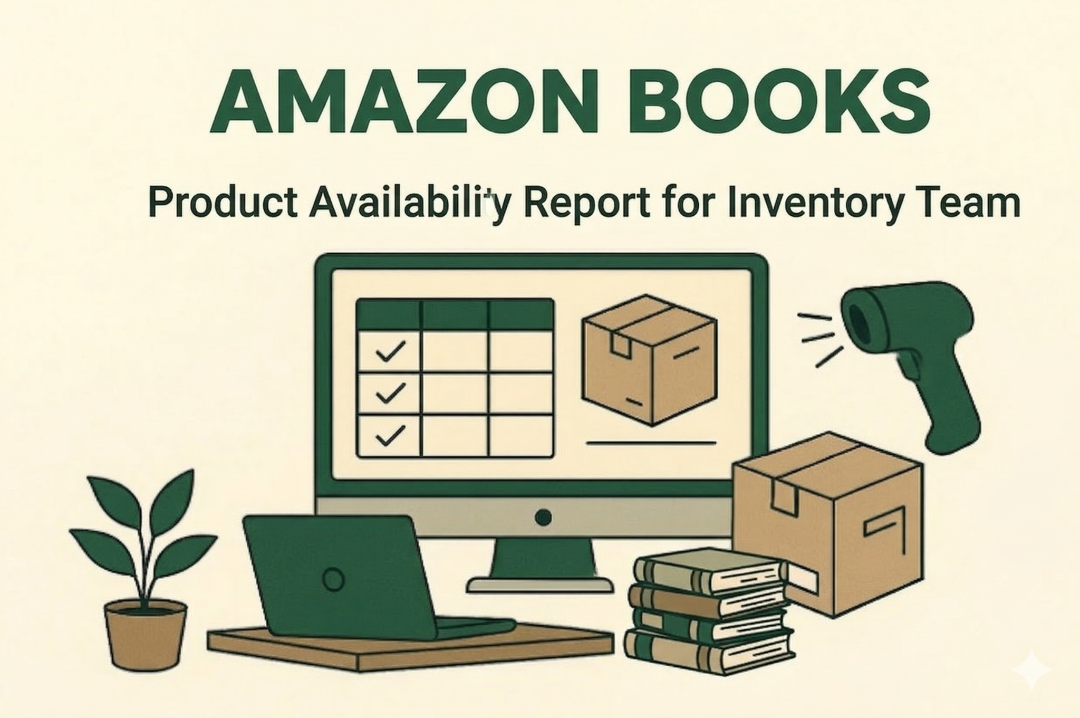

Shortage_analysis
Stokta olan ürün sayısı | Ortalama stok | Stok değeri | category_1 | Average stock | Shortage Rate
5819 | 243 | 6267377.97 | Arts | 237.76 | 1.05%
5818 | 243 | 6266686.77 | Fiction | 237.76 | 1.34%
5818 | 243 | 6266686.77 | Finance | 258.23 | 0.94%
5817 | 243 | 6266579.77 | History | 257.93 | 1.06%
5816 | 243 | 6264194.57 | Law | 220.14 | 1.85%
5815 | 243 | 6260022.09 | Medical | 240.44 | 1.48%
5814 | 243 | 6259714.02 | Self-Help | 253.48 | 1.28%
5813 | 243 | 6259650 | Sports | 226.99 | 0.91%
5812 | 243 | 6259465.92 | Tech | 245.59 | 1.41%

Shortage Rate-Average stock

stok_analysis
Stokta olan vs stokta olmayan ürün dağılım

